TB_MGT_RenewalDocDtl
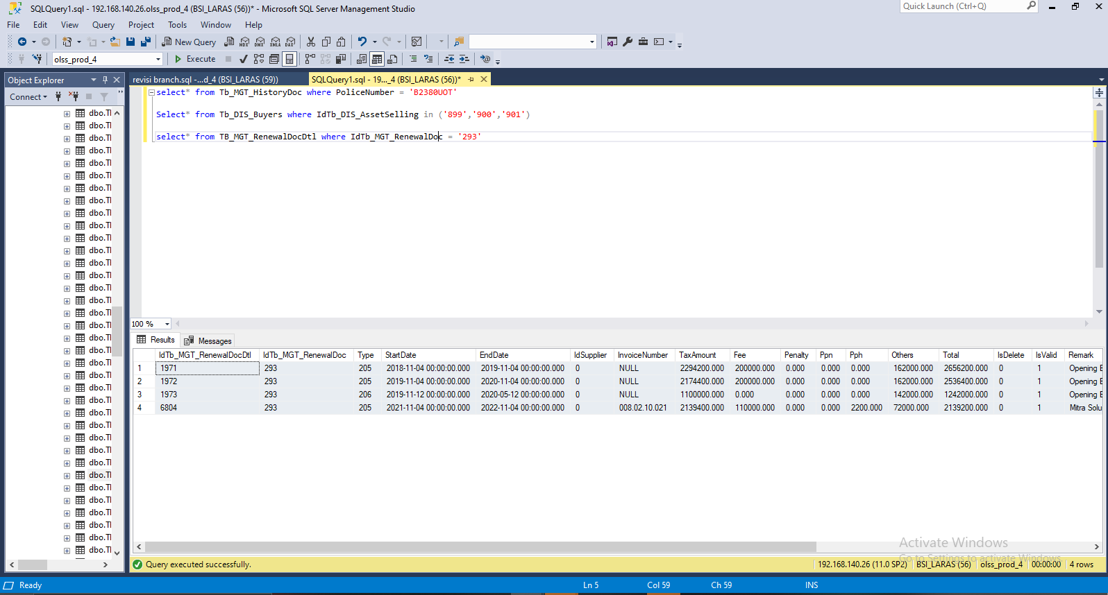
Insert table TB_MGT_RenewalDocDtl

IdTb_MGT_RenewalDocDtl | IdTb_MGT_RenewalDoc | Type | StartDate | EndDate | IdSupplier | InvoiceNumber | TaxAmount | Fee | Penalty | Ppn | Pph | Others | Total | IsDelete | IsValid | Remark | RemarksSys | CreatedBy | CreatedDate | LastUpdatedBy | LastUpdatedDate
6804 | 293 | 205 | 2021-11-04 00:00:00 | 2022-11-04 00:00:00 | 0 | 008.02.10.021 | 2139400 | 110000 | 0 | 0 | 2200 | 72000 | 2139200 | 0 | 1 | Mitra Solusi Karisma | S0250408 | system | 2021-10-19 00:00:00 | Pathul Wadi | 2021-10-19 00:00:00

SS
Before
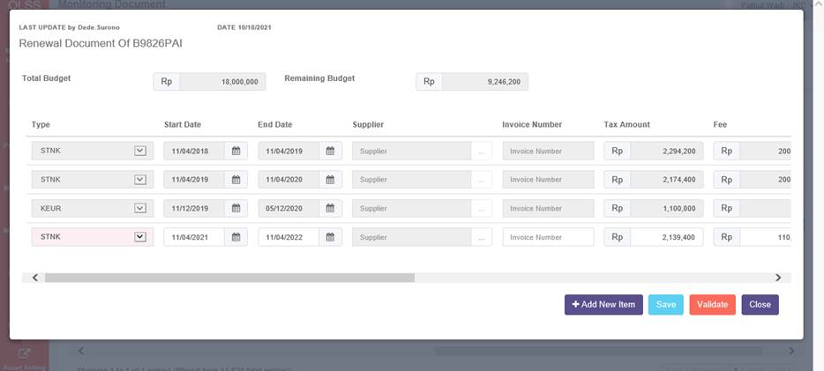

After

